Single Branch
 | INPUT in GREEN CELLS
NO RATIO AT .1

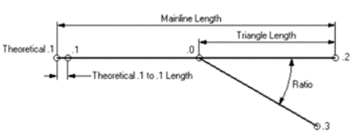
Ratio / Angle (grade) | 9.0909 | 12.69020697 | 9.090909
Angle from Ratio | 0.10955963546 | 0.19933730495 | 0.10955952786
Main line length | 31.57 |  | 26.351996164 | min
Theo .1 to .1 | 0
.0 to .2 | 15.785 |  | 13.175998082 | min
.0 to .3 | 15.785 |  | 13.175998082 | min

L tangente | 15.785 |  | 13.175998082
R | 287.8652784 |  | 240.2861
R length | 31.538414963 |  | 26.325631668
 | R | L
Element 0 or 1 | 0.00000 | 0.00000
Element 1 or 2 | 287.86528 | 31.53841

NB: if theo .1 to .1 <> 0 then element 0 is a straight defined by this length so that .1 (real toe) is on the geometry

