Sheet1
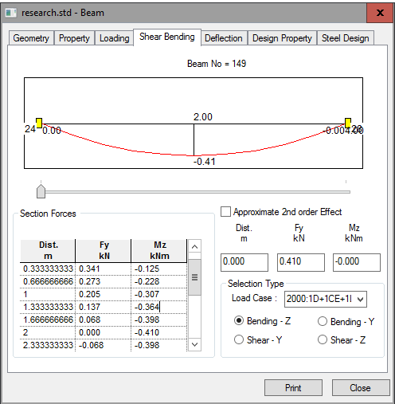
DISTANCE
DISTANCE

LOAD CASE

